T1
Survey Field Notes: DESGN 350_Fall 2020
Project Name: |  |  |  |  |  |  | Weather:

Survey Description and Notes: |  |  |  |  |  |  | Location:

 |  |  |  |  |  |  | Equipment Description & ID:

STA | POINT |  | X (East) |  | Y (North) | Z (Elev) | Notes & Sketches
T1 |  |  | 0 |  | 0 | 0 | 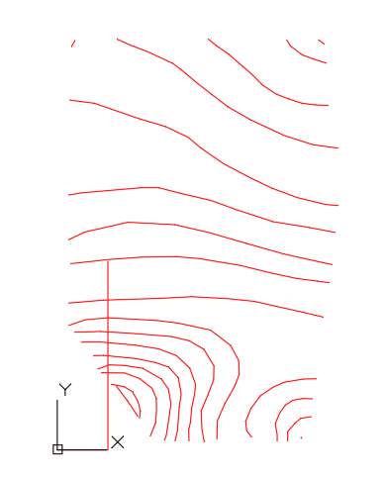 All measurements are in Feet / Meters

 | T1.1 |  | 496.58 |  | 910 | 61.57
 | T1.2 |  | 496.58 |  | 886.16 | 64.23
 | T1.3 |  | 504.06 |  | 849.04 | 67.08
 | T1.4 |  | 522.57 |  | 698.34 | 78.74
 | T1.5 |  | 522.57 |  | 570.39 | 78.43
 | T1.6 |  | 513.08 |  | 493.11 | 69.51
 | T1.7 |  | 506.72 |  | 441.31 | 63.48
 | T1.8 |  | 502.87 |  | 409.97 | 58.1
 | T1.9 |  | 492.45 |  | 325.14 | 47.72
 | T1.10 |  | 479.47 |  | 219.4 | 58.52
 | T1.11 |  | 469.79 |  | 140.54 | 70.44
 | T1.12 |  | 451.84 |  | 91.22 | 76.77
 | T1.13 |  | 416.98 |  | 81.88 | 71.38
 | T1.14 |  | 290.66 |  | 81.88 | 39.11
 | T1.15 |  | 217.73 |  | 81.88 | 14.14
 | T1.16 |  | 183.29 |  | 81.88 | 13.19
 | T1.17 |  | 164.35 |  | 81.88 | 17.67
 | T1.18 |  | 130.44 |  | 94.22 | 28.44
 | T1.19 |  | 96.78 |  | 140.54 | 46.63
 | T1.20 |  | 39.49 |  | 219.4 | 36.9
Sheet _____ of ______ |  | Lead Survey Technician: Print Name |  | WASAN ALDUROOBI |  |  | Lead Survey Technician: Signature | Date: | 2020-10-25

T2
Survey Field Notes: DESGN 350_Fall 2020
Project Name: Practice Travers #2 |  |  |  |  |  | Weather: 65 deg F, Wind 6mph, Visibility > 3 miles, Light Cloudy Skies ... 2:00pm

Survey Description and Notes: See sketch for traverse rod locations |  |  |  |  |  | Location: No Known Location ... This Is Just An Exercise

 |  |  |  |  |  | Equipment Description & ID:

STA | BS EL | BS ROD | HI | FS | ELEV | Notes & Sketches
T2 | 4 | 9 |  |  |  | 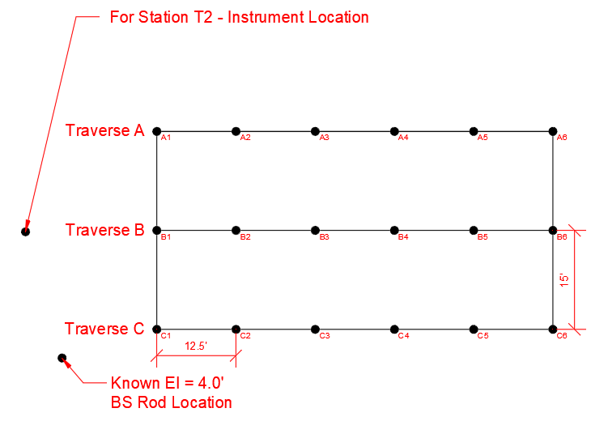 All measurements are in Feet

A1 |  |  |  | 4.00
A2 |  |  |  | 3.25
A3 |  |  |  | 3.25
A4 |  |  |  | 3.00
A5 |  |  |  | 2.50
A6 |  |  |  | 2.50

B1 |  |  |  | 4
B2 |  |  |  | 3.5
B3 |  |  |  | 3.25
B4 |  |  |  | 3.25
B5 |  |  |  | 3
B6 |  |  |  | 2

C1 |  |  |  | 3.75
C2 |  |  |  | 3.5
C3 |  |  |  | 3.25
C4 |  |  |  | 3.5
C5 |  |  |  | 3.5
C6 |  |  |  | 3
Sheet _____ of ______ |  |  | Lead Survey Technician: Print Name |  |  | Lead Survey Technician: Signature | Date:

T3
Survey Field Notes: DESGN 350_Fall 2020
Project Name: Practice Travers #3 |  |  |  |  |  | Weather: 65 deg F, Wind 6mph, Visibility > 2 miles, Light Cloudy Skies ... 2:30pm

Survey Description and Notes: See sketch for traverse rod locations |  |  |  |  |  | Location: No Known Location ... This Is Just An Exercise

 |  |  |  |  |  | Equipment Description & ID:

STA | BS EL | BS ROD | HI | FS | ELEV | Notes & Sketches
T3 | 6.00 | 6.00 |  |  |  | 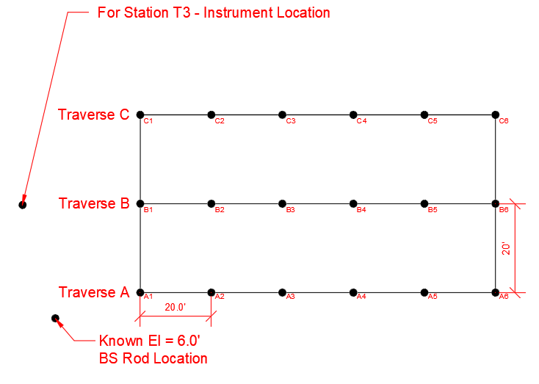 All measurements are in Feet

A1 |  |  |  | 7.75
A2 |  |  |  | 6.50
A3 |  |  |  | 4.75
A4 |  |  |  | 5.75
A5 |  |  |  | 7.00
A6 |  |  |  | 8.00

B1 |  |  |  | 9.00
B2 |  |  |  | 7.75
B3 |  |  |  | 6.00
B4 |  |  |  | 7.75
B5 |  |  |  | 8.00
B6 |  |  |  | 9.00

C1 |  |  |  | 8.00
C2 |  |  |  | 6.75
C3 |  |  |  | 5.00
C4 |  |  |  | 6.25
C5 |  |  |  | 8.00
C6 |  |  |  | 8.75
Sheet _____ of ______ |  |  | Lead Survey Technician: Print Name |  |  | Lead Survey Technician: Signature | Date:

